Sheet1
Item | LINUX Section | Weight | Yes/No | Score
1 | There should be 2 Linux Physical hosts setup as VMs. Can you log into each of those? | 2 | TRUE | 2 | 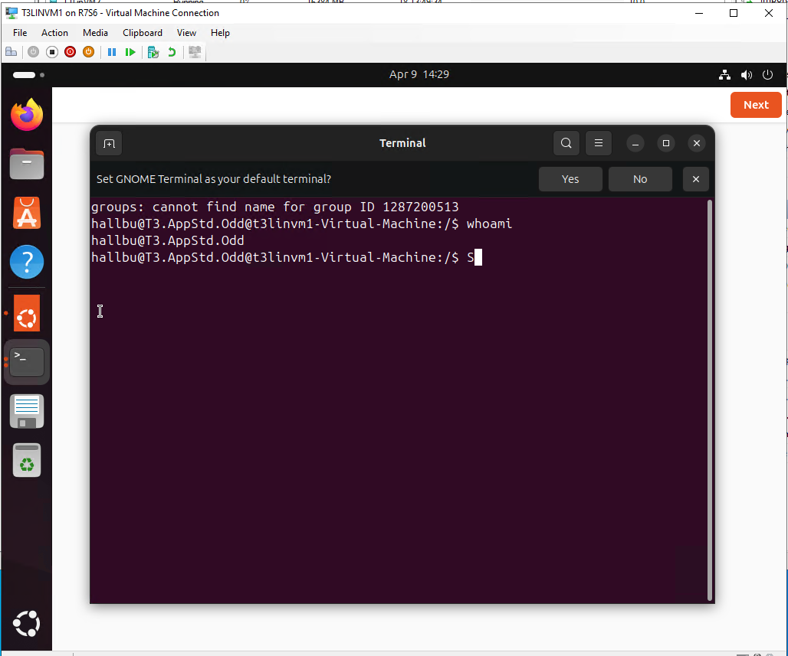
 | Are the Linux VMs getting DHCP addresses etc. from the Windows | 2 | TRUE | 2 | 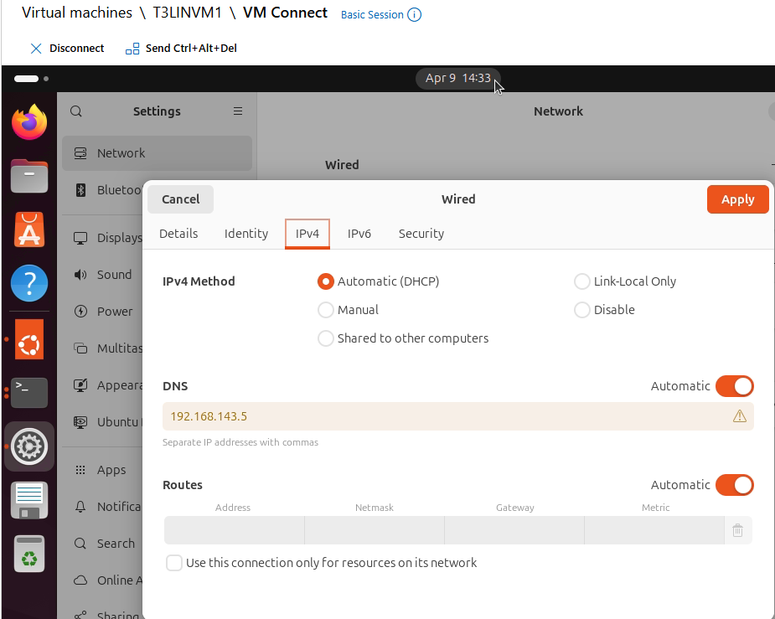
 | Can you surf the internet from these Linux VMs | 2 | TRUE | 2 | 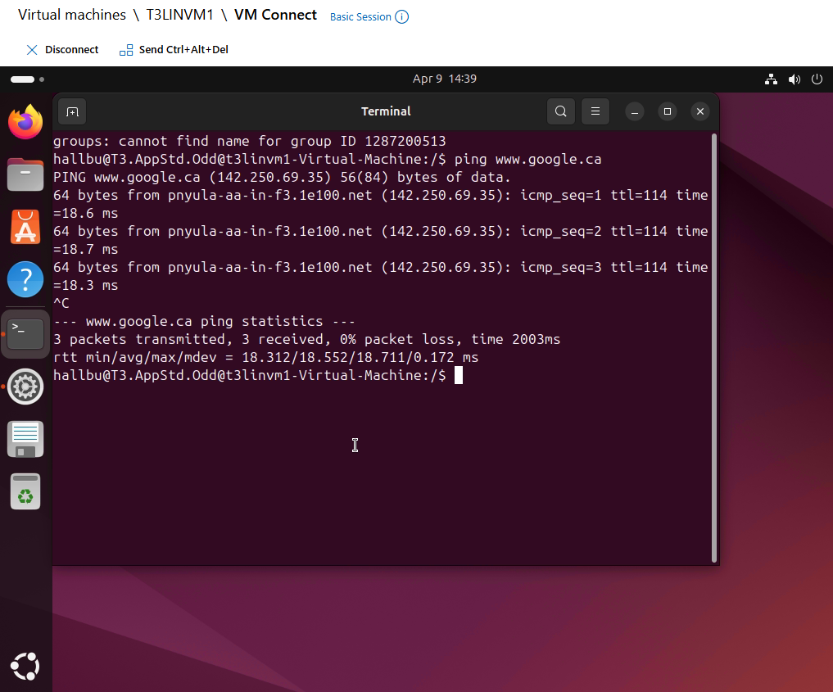
 | There should be 1 Linux Physical host present (a mini-Dell). Is there 1? The following test procedures will be done on the physical Linux Box. | 1 | TRUE | 1
 | Does the Linux box get a proper DHCP address from the DC? | 1 | TRUE | 1
 | Can the Linux box surf the internet? | 1 | TRUE | 1
 | Are the Linux clients registered in the forward and reverse lookup zones of the domain's DNS? | 2 | FALSE | 0
 | Is the time/date/timezone correct? | 1 | TRUE | 1
 | Are there 4 accounts on the device. One from each OU. | 1 | FALSE | 0
 | Can the Sales person login? | 1 | TRUE | 1
 | Can the Sales person print? | 1 | TRUE | 1
 | Can the Sales person access their sales local directory? | 1 | FALSE | 0
 | Can the sales person access the Sales folder in Active Directory? | 2 | FALSE | 0
 | Is the Sales person denied access to the local Techs, Managers and Staff folders? Demo each. | 3 | TRUE | 3
 | Is the Sales person denied access to the AD Techs, Managers and Staff folders? Demo each. | 3 | TRUE | 3
 | Can the Techs person login? | 1 | TRUE | 1
 | Can the Techs person print? | 1 | TRUE | 1
 | Can the Techs person access their Techs local directory? | 1 | FALSE | 0
 | Can the Techs person access the Techs folder in Active Directory? | 2 | FALSE | 0
 | Is the Techs person denied access to the local Sales, Managers and Staff folders? Demo each. | 3 | TRUE | 3
 | Is the Techs person denied access to the AD Sales, Managers and Staff folders? Demo each. | 3 | TRUE | 3
 | Can the Staff person login? | 1 | TRUE | 1
 | Can the Staff person print? | 1 | TRUE | 1
 | Can the Staff person access their Staff local directory? | 1 | FALSE | 0
 | Can the Staff person access the Staff folder in Active Directory? | 2 | FALSE | 0
 | Is the Staff person denied access to the local Techs, Managers and Staff folders? Demo each. | 3 | FALSE | 0
 | Is the Staff person denied access to the AD Techs, Managers and Staff folders? Demo each. | 3 | FALSE | 0
 | Can the Managers person login? | 1 | TRUE | 1
 | Can the Managers person print? | 1 | TRUE | 1
 | Can the Managers person access their Managers local directory? | 1 | FALSE | 0
 | Can the Managers person access the Managers folder in Active Directory? | 2 | FALSE | 0
 | Is the Managers person allowed access to the local Techs, Sales and Staff folders? Demo each. | 3 | FALSE | 0
 | Is the Managers person allowed access to the AD Techs, Sales and Staff folders? Demo each. | 3 | FALSE | 0
 | Bonus 5 marks: Can any user from AD login to the Linux box using their AD credentials? ** bonus added to overall score | 5 | TRUE | 5
 | Bonus 5 Marks: Can a user logged into a Windows machine access a folder on the linux machine? **bonus added to overall score | 5 | FALSE | 0
 | There should be 2 Linux VMS, one on each ESXi host. Are they present? The following test items will be done on 1 VM | 1 | TRUE | 1
 | Can the Sales person login? | 1 | TRUE | 1
 | Can the Sales person print? | 1 | TRUE | 1
 | Can the Sales person access their sales local directory? | 1 | FALSE | 0
 | Can the sales person access the Sales folder in Active Directory? | 1 | FALSE | 0
 | Is the Sales person denied access to the local Techs, Managers and Staff folders? Demo each. | 3 | FALSE | 0
 | LAMP sever Section
 | Each Team member will have a proper photo | 2 | TRUE | 2
 | Each Team member will have a biography page with a "paragraph" on each user detailing their professional responsibilities and capabilities. | 2 | TRUE | 2
 | There should be a project page with photos of equipment, network layout and so on. | 1 | TRUE | 1
 | This server is accessible from a Windows or Linux Client in the domain. | 1 | TRUE | 1
 | You will setup a Linux VM to act as a TFTP server. Is there a functioning TFTP Server | 2 | TRUE | 2
 | Test the TFTP server’s operation. Backup the running config of a switch or router We want to see the file get backed up. Does it work? | 4 | TRUE | 4
 | Are there existing configurations on the tftp server from the internal and external routers? | 4 | TRUE | 4
 | You will setup a Linux VM to act as a Syslog server. Is there a functioning Syslog Server (this may be the same box as the tftp actually) | 2 | TRUE | 2
 | Test the syslog server's operation. Demo the server in action to your instructor by making a change to a router config. Does it work? | 4 | FALSE | 0
 | Display a Log from the Syslog server. Can you see previous log entries? | 2 | Pa | 0
 | Total Score Linux Section | 89 |  | 56

